density_radius
Number | Category | Component | Mineral class | Silicate class | Silicate mineral sub-class | Chemical formula/ Ideal formula | Density (Mgm-3) | Radius (nm) | Volume (nm^3) | Effective radius from volume (nm) | Density reference | Primary/Secondary Minerals
1 | Minerals | halite | halite |  |  | NaCl | 2.17 | 0.564 |  |  | Dixon | secondary
2 | Minerals | gypsum | sulfates |  |  | CaSO4·2H2O | 2.32 | 0.567 * 1.515 * 0.628 |  |  | Dixon | secondary
3 | Minerals | jarosite | sulfates |  |  | KFe3(SO4)2(OH)6 | 3.16 | 0.729 * 1.716 |  |  | Dixon
4 | Minerals | calcite | carbonates |  |  | CaCO3 | 2.72 | 0.499*1.706 |  |  | Dixon | secondary
5 | Minerals | dolomite | carbonates |  |  | CaMg(CO3)2 | 2.85 | 0.481*1.6 |  |  | Dixon
6 | Minerals | nahcolite | carbonates |  |  | NaHCO3 | 2.16 | 0.747 * 0.969 * 0.348 |  |  | Dixon
7 | Minerals | trona | carbonates |  |  | Na2CO3·NaHCO3·2H2O | 2.15 | 2.011 * 0.349 * 1.033 |  |  | Dixon
8 | Minerals | soda | carbonates |  |  | Na2CO3·10H2O | 1.44 | 1.275*0.901*1.260
9 | Minerals | pyrite | sulfides |  |  | FeS2 | 5.01 | 0.542 |  |  | Dixon
10 | Minerals | gibbsite | oxides and hydroxides |  |  | Al(OH)3 | 2.34 |  |  |  |  | secondary
11 | Minerals | nordstrandite | oxides and hydroxides |  |  | Al(OH)3 | 2.43
12 | Minerals | boehmite | oxides and hydroxides |  |  | AlOOH | 3.03
13 | Minerals | diaspore | oxides and hydroxides |  |  | AlOOH | 3.4
14 | Minerals | corundum | oxides and hydroxides |  |  | Al2O3 | 4.02
15 | Minerals | hematite | oxides and hydroxides |  |  | Fe2O3 | 5.26 | 0.50340 * 1.3752 |  |  | Dixon | secondary
16 | Minerals | goethite | oxides and hydroxides |  |  | FeOOH | 4.26 | 0.4608 * 0.9956 * 0.30215 |  |  | Dixon
17 | Minerals | lepidocrocite | oxides and hydroxides |  |  | FeOOH | 4.09 | 0.388 * 1.254 * 0.307 |  |  | Dixon
18 | Minerals | maghemite | oxides and hydroxides |  |  | Fe2O3 | 4.87 | 0.834 |  |  | Dixon |  | 1mm = 1000000nm
19 | Minerals | ferrihydrite | oxides and hydroxides |  |  | Fe5O7(OH)·4H2O | 3.96 | 0.508 * 0.94 |  |  | Dixon |  | Clay particles are smaller than 0.002 mm in diameter.
20 | Minerals | magnetite | oxides and hydroxides |  |  | Fe3O4 | 4.87 | 0.839 |  |  | Dixon |  | Silt particles are from 0.002 to 0.05 mm in diameter.
21 | Minerals | lithiophorite | oxides and hydroxides |  |  | (Al, Li)MnO2(OH)2 | 3.39 |  |  |  |  |  | Sand ranges from 0.05 to 2.0 mm
22 | Minerals | birnessite | oxides and hydroxides |  |  | variable | 3
23 | Minerals | hollandite | oxides and hydroxides |  |  | Ba2Mn8O16 | 4.95
24 | Minerals | pyrolusite | oxides and hydroxides |  |  | MnO2 | 5.23
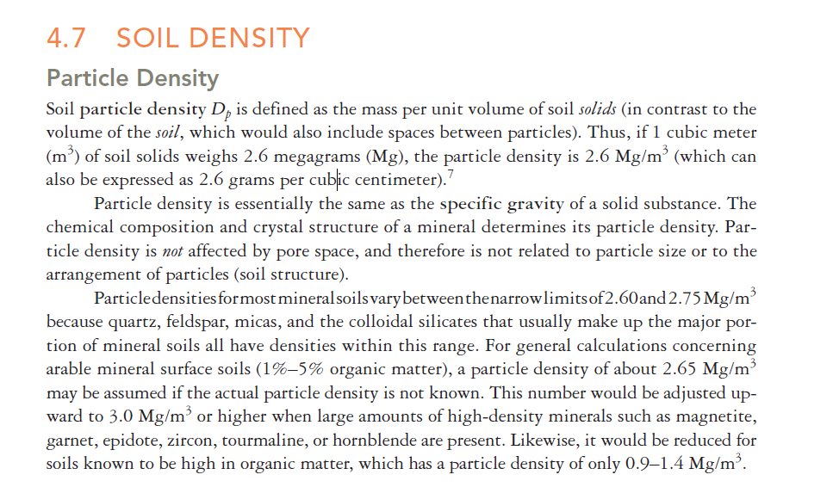
25 | Minerals | todorokite | oxides and hydroxides |  |  | variable | 3.65
26 | Minerals | manganite | oxides and hydroxides |  |  | MnOOH | 4.34
27 | Minerals | rutile | oxides and hydroxides |  |  | TiO2 | 4.23-5.5 | 0.45937 * 0.29581 |  |  | Dixon | primary
28 | Minerals | anatase | oxides and hydroxides |  |  | TiO2 | 3.82-3.97 | 0.3785 * 0.9514 |  |  | Dixon | secondary
29 | Minerals | ilmenite | oxides and hydroxides |  |  | FeTiO3 | 4.7-4.78 | 0.5088 * 1.4080 |  |  | Dixon | primary
30 | Minerals | forsterite | silicates | nesosilicates (SiO4)4- | olivine | Mg2SiO4 | 3.27 |  |  |  |  | primary
31 | Minerals | fayalite | silicates | nesosilicates (SiO4)4- | olivine | Fe2SiO4 | 4.39 |  |  |  |  | primary
32 | Minerals | zircon | silicates | nesosilicates (SiO4)4- |  | ZrSiO4 | 4.6-4.7 | 0.6604-0.6616 * 0.5979-0.6015 |  |  | Dixon | primary
33 | Minerals | sphene | silicates | nesosilicates (SiO4)4- |  | CaTiO(SiO4) | 3.45-3.55 | 0.7039-0.7088 * 0.8653-0.874 * 0.6527-0.6548 |  |  | Dixon | primary
34 | Minerals | topaz | silicates | nesosilicates (SiO4)4- |  | Al2SiO4(F, OH)2 | 3.5-3.6
35 | Minerals | garnets | silicates | nesosilicates (SiO4)4- |  | X3Y2(SiO4)3, where X = Ca, Mg, Fe2+, Mn2+; Y = Al, Fe3+, Cr3+ |  |  |  |  |  | primary
36 | Minerals | andalusite | silicates | nesosilicates (SiO4)4- |  | Al2SiO5 | 3.13-3.17
37 | Minerals | silimanite | silicates | nesosilicates (SiO4)4- |  | Al2SiO5 | 3.13-3.65
38 | Minerals | kyanite | silicates | nesosilicates (SiO4)4- |  | Al2SiO5 | 3.56-3.67
39 | Minerals | staurolite | silicates | nesosilicates (SiO4)4- |  | Fe2Al9O6(SiO4)(Si2O7)(OH) | 3.65-3.77
40 | Minerals | epidote | silicates | sorosilicates (Si2O7)6- |  | Ca2(Al,Fe)Al2O(SiO4)(Si2O7)(OH) | 3.3-3.6 |  |  |  |  | primary
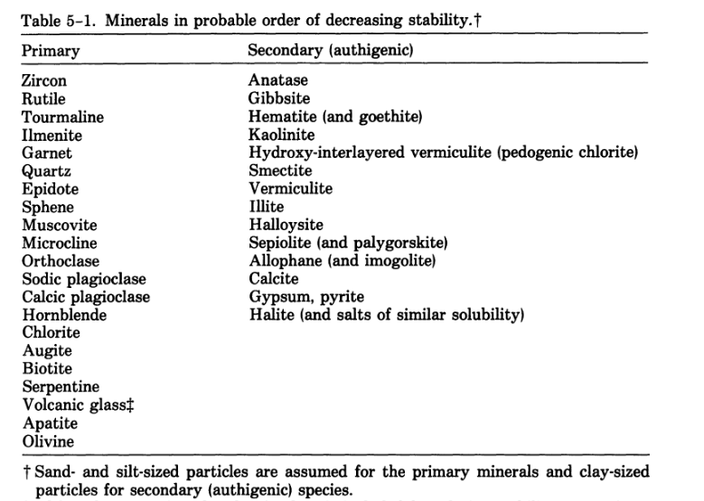
41 | Minerals | beryl | silicates | cyclosilicates (Si6O18)12- |  | Be3Al2(Si6O18) | 2.75
42 | Minerals | tourmaline | silicates | cyclosilicates (Si6O18)12- |  | (Na,Ca)(Li, Mg, Al)(Al, Fe, Mn)6-(BO3)3(Si6O18)(OH)4 | 2.82-3.32 |  |  |  |  | primary
43 | Minerals | augite | silicates | inosilicates (single chains) (SiO3)2- | pyroxenes | (Ca, Na)(Mg, Fe, Al)(Si, Al)2O6 | 2.93-3.49 |  |  |  |  | primary
44 | Minerals | enstatite | silicates | inosilicates (single chains) (SiO3)2- | pyroxenes | MgSiO3 | 3.1-3.3
45 | Minerals | hypersthene | silicates | inosilicates (single chains) (SiO3)2- | pyroxenes | (Mg,Fe)SiO3 | 3.2-3.9
46 | Minerals | diopside | silicates | inosilicates (single chains) (SiO3)2- | pyroxenes | CaMgSi2O6 | 3.22-3.38
47 | Minerals | hedenbergite | silicates | inosilicates (single chains) (SiO3)2- | pyroxenes | CaFeSi2O6 | 3.56
48 | Minerals | wollastonite | silicates | inosilicates (single chains) (SiO3)2- | pyroxenoids | CaSiO3 | 2.9
49 | Minerals | rhodonite | silicates | inosilicates (single chains) (SiO3)2- | pyroxenoids | MnSiO3 | 3.5-3.7
50 | Minerals | hornblende | silicates | inosilicates (double chains) (Si4O11)6- | amphiboles | (Ca, Na)2-3(Mg,Fe,Al)5Si6-(Si, Al)2O22(OH)2 | 2.9-3.4 |  |  |  |  | primary
51 | Minerals | tremolite | silicates | inosilicates (double chains) (Si4O11)6- | amphiboles | Ca2Mg5Si8O22(OH)2 | 2.99-3.03
52 | Minerals | actinolite | silicates | inosilicates (double chains) (Si4O11)6- | amphiboles | Ca2(Mg, Fe)5Si8O22(OH)2 | 3.02
53 | Minerals | cummingtonite | silicates | inosilicates (double chains) (Si4O11)6- | amphiboles | (Mg, Fe)7Si8O22(OH)2 | 3.35
54 | Minerals | grunerite | silicates | inosilicates (double chains) (Si4O11)6- | amphiboles | Fe7Si8O22(OH)2 | 3.4-3.5
55 | Minerals | muscovite | silicates | phyllosilicates (Si2O5)2- | micas | KAl2(AlSi3O10)(OH)2 | 2.7-3 |  |  |  |  | primary
56 | Minerals | biotite | silicates | phyllosilicates (Si2O5)2- | micas | K(Mg, Fe)3(AlSi3O10)(OH)2 | 2.8-3.4 |  |  |  |  | primary
57 | Minerals | phlogopite | silicates | phyllosilicates (Si2O5)2- | micas | KMg3(AlSi3O10)(OH)2 | 2.7-2.9
58 | Minerals | chlorite | silicates | phyllosilicates (Si2O5)2- |  | (Mg, Fe)3(Si, Al)4O10(OH)2-(Mg, Fe)3(OH)6 | 2.6-3.3 |  |  |  |  | primary
59 | Minerals | talc | silicates | phyllosilicates (Si2O5)2- | clay minerals (selected) | Mg3Si4O10(OH)2 | 2.7-2.8 |  |  |  |  | secondary
60 | Minerals | pyrophyllite | silicates | phyllosilicates (Si2O5)2- | clay minerals (selected) | Al2Si4O10(OH)2 | 2.8-2.9 |  |  |  |  | secondary
61 | Minerals | kaolinite | silicates | phyllosilicates (Si2O5)2- | clay minerals (selected) | Al2Si4O10(OH)2 | 2.65 |  |  |  |  | secondary
62 | Minerals | ammonio-smectite | silicates | phyllosilicates (Si2O5)2- | clay minerals (selected) | variable | 2.2 |  |  |  |  | secondary
63 | Minerals | vermiculite | silicates | phyllosilicates (Si2O5)2- | clay minerals (selected) | variable |  |  |  |  |  | secondary
64 | Minerals | antigorite | silicates | phyllosilicates (Si2O5)2- | serpentines | Mg3Si2O5(OH)4 | 2.61 |  |  |  |  | primary
65 | Minerals | chrysotile | silicates | phyllosilicates (Si2O5)2- | chrysotile | Mg3Si2O5(OH)4 | 2.19
66 | Minerals | orthoclase | silicates | tectosilicates(SiO2)0 | feldspars | KAlSi3O8 | 2.56 |  |  |  |  | primary
67 | Minerals | albite | silicates | tectosilicates(SiO2)0 | feldspars | NaAlSi3O8 | 2.61-2.63
68 | Minerals | anorthite | silicates | tectosilicates(SiO2)0 | feldspars | CaAl2Si3O8 | 2.72-2.75
69 | Minerals | quartz | silicates | tectosilicates(SiO2)0 | SiO2 Group | SiO2 | 2.65 |  |  |  | Dixon | primary
70 | Minerals | tridymite | silicates | tectosilicates(SiO2)0 | SiO2 Group | SiO2 | 2.28-2.33
71 | Minerals | cristobalite | silicates | tectosilicates(SiO2)0 | SiO2 Group | SiO2 | 2.5
72 | Minerals | analcime | silicates | tectosilicates(SiO2)0 | zeolites | NaAlSi2O6·H2O | 2.25 | 1.37 |  |  | Dixon
73 | Minerals | clinoptilolite | silicates | tectosilicates(SiO2)0 | zeolites | (Na3K3)(Al6i30O72)·24H2O | 2.16 | 1.77 * 1.79 * 0.74, beta = 116 degrees |  |  | Dixon
74 | Minerals | nepheline | silicates | tectosilicates(SiO2)0 | feldspathoids | (Na, K)AlSiO4 | 2.55-2.66
75 | Minerals | montmorillonite |  |  |  |  | 2-2.7
76 | Minerals | illite |  |  |  |  | 2.6-2.9 |  |  |  |  | secondary
 |  | illite

77 | Organics | Aromatics |  |  |  |  | 0.9-1.4
78 | Organics | Amine |  |  |  |  | 0.9-1.4
79 | Organics | Alkyl asymmetric-symmetric doublet |  |  |  |  | 0.9-1.4
80 | Organics | Carboxylic acids |  |  |  |  | 0.9-1.4
81 | Organics | Amides |  |  |  |  | 0.9-1.4
82 | Organics | Aliphatics |  |  |  |  | 0.9-1.4
83 | Organics | Methyls |  |  |  |  | 0.9-1.4
84 | Organics | Phenolics |  |  |  |  | 0.9-1.4
85 | Organics | Polysaccharides |  |  |  |  | 0.9-1.4
86 | Organics | Carbohydrates |  |  |  |  | 0.9-1.4
87 | Organics | Water

88 | Minerals | Almandine | garnets |  |  | (Fe+2)3Al2(SiO4)3 | 4.19 |  |  |  |  | primary
89 | Minerals | Andradite | garnets |  |  | Ca3(Fe+3)2(SiO4)3 | 3.84 |  |  |  |  | primary
90 | Minerals | Grossular | garnets |  |  | Ca3Al2(SiO4)3 | 3.6 |  |  |  |  | primary
91 | Minerals | Spessartine | garnets |  |  | Mn3Al2(SiO4)3 | 4.18 |  |  |  |  | primary
92 | Minerals | Uvarovite | garnets |  |  | Ca3Cr(+3)2(SiO4)3 | 3.59 |  |  |  |  | primary

93 | Minerals | Ulvöspinel | oxides and hydroxides |  |  | Fe2TiO4 |  | 0.8393-0.8536
94 | Minerals | titanomagnetite | oxides and hydroxides |  |  | Fe2+(Fe3+,Ti)2O4
95 | Minerals | titanomaghemite | oxides and hydroxides |  |  | Variable Fe2+Fe3+ Ti04 |  | 0.8343-0.8395
96 | Minerals | brookite | oxides and hydroxides |  |  | TiO2 | 4.08-4.18 | 0.9174 * 0.5456 * 0.5138
97 | Minerals | pseudobrookite | oxides and hydroxides |  |  | Fe2TiO5 | 4.33-4.39 | 0.9767 * 0.9947 * 0.3717
98 | Minerals | pseudorutile | oxides and hydroxides |  |  | Fe203· nTi02· mH20 | 4.2 | 1.4375 * 0.4615

99 | Minerals | Beidellite | layer-sillicate |  |  | Ca0.25(Si3.5Al0.5)Al2O10(OH)2
100 | Minerals | nontronite | layer-sillicate |  |  | Ca0.25(Si3.5Al0.5)Fe3+2O10(OH)2
101 | Minerals | hectorite | layer-sillicate |  |  | Ca0.165Si4(Mg2.67Li0.33)O10(OH)2
102 | Minerals | saponite | layer-sillicate |  |  | Ca0.165(Si3.67Al0.33)Mg3O10(OH)2

103 | Minerals | microcline | primary mineral | tectosilicates(SiO2)0 | feldspars | KAlSi3O8 |  |  |  |  |  | primary
104 | Minerals | hydroxyl-apatite | primary mineral |  |  | Ca5(P04)3(OH) |  |  |  |  |  | primary
105 | Minerals | chlorapatite | primary mineral |  |  | Ca5(PO4)3Cl |  |  |  |  |  | primary
106 | Minerals | fluoroapatite | primary mineral |  |  | Ca5(PO4)3F |  |  |  |  |  | primary
107 | Minerals | halloysite | secondary mineral |  |  | Al2Si2O5(OH)4 |  |  |  |  |  | secondary
108 | Minerals | sepiolite | secondary mineral |  |  | Mg4Si6O15(OH)2*H2O |  |  |  |  |  | secondary
109 | Minerals | allophane | secondary mineral |  |  | Al2O3·(SiO2)1.3-2·(2.5-3)H2O |  |  |  |  |  | secondary

110 | Minerals | cryptomelane | manganese oxides |  |  | K2Mn8O16
111 | Minerals | psilomelane | manganese oxides |  |  | BaMn9O16(OH)4

112 | Minerals | siderite | carbonates |  |  | FeCO3 | 3.96 | 0.469 * 1.538
113 | Minerals | aragonite | carbonates |  |  | CaCO3 | 2.94 | 0.496 * 0.797 * 0.574
114 | Minerals | magnesite | carbonates |  |  | MgCO3 | 3.0-3.2 | 0.463 * 1.501
115 | Minerals | hydromagnesite | carbonates |  |  | 3MgCO3Mg(OH)2·3H2O | 2.25 | 1.011 * 0.894 * 0.838
116 | Minerals | lansfordite | carbonates |  |  | MgCO3·5H2O |  | 1.249 * 0.762 * 0.743
117 | Minerals | nesquehonite | carbonates |  |  | MgCO3·3H2O |  | 1.211 * 0.536 * 0.77

118 | Minerals | bassanite | sulfates |  |  | CaSO4·1/2H2O | 2.7 | 0.695 * 0.634
119 | Minerals | anhydrite | sulfates |  |  | CaSO4 | 2.89-2.98 | 0.622 * 0.696 * 0.697
120 | Minerals | barite | sulfates |  |  | BaSO4 | 4.5 | 0.885 * 0.543 * 0.713

121 | Minerals | mackinawite | minerals associated with sulfate soils |  |  | Fe9S8 | 4.29 | 0.368 * 0.503
122 | Minerals | greigite | minerals associated with sulfate soils |  |  | Fe3S4 | 4.08 | 0.988
123 | Minerals | natrojarosite | minerals associated with sulfate soils |  |  | NaFe3(OH)6(SO4)2 | 2.88 | 0.734 * 1.672

124 | Minerals | thenardite | soluble minerals |  |  | NaSO4 | 2.66 | 0.586 * 1.23 * 0.982
125 | Minerals | mirabilite | soluble minerals |  |  | Na2SO4·10H2O | 1.49 | 1.284 * 1.087 * 1.152
126 | Minerals | bloedite | soluble minerals |  |  | Na2MgSO4·4H2O | 2.25 | 1.113 * 0.825 * 0.554
127 | Minerals | konyaite | soluble minerals |  |  | NaMg(SO4)2·5H2O | 2.09 | 0.578 * 2.403 * 0.807
128 | Minerals | hexahydrite | soluble minerals |  |  | MgSO4·6H2O | 1.75 | 2.444 * 0.722 * 1.012
129 | Minerals | epsomite | soluble minerals |  |  | MgSO4·7H2O | 1.68 | 1.186 * 1.199 * 0.686

130 | Minerals | feroxyhite | oxides and hydroxides |  |  | delta-FeOOH | 4.2 | 0.293 * 0.460

131 | Minerals | gorceixite | phosphates |  |  | BaAl3(PO4)2(OH)5·H2O
132 | Minerals | cranadallite | phosphates |  |  | CaAl(PO4)2(OH)5·H2O
133 | Minerals | florencite | phosphates |  |  | CeAl3(PO4)2(OH)6
134 | Minerals | plumbogummite | phosphates |  |  | PbAl3(PO4)2(OH)5·H2O
135 | Minerals | vivianite | phosphates |  |  | Fe3(PO4)2·8H2O
136 | Minerals | wavellite | phosphates |  |  | Al8(OH)3(PO4)2·5H2O
137 | Minerals | xenotime | phosphates |  |  | Y(PO4)
138 | Minerals | monazite | phosphates |  |  | Ce(PO4)
139 | Minerals | dufrenite | phosphates |  |  | FeFe4(PO4)3(OH)5·2H2O
140 | Minerals | goyazite | phosphates |  |  | SrAl3(PO4)2(OH)5·H2O
141 | Minerals | hinsdalite | phosphates |  |  | (Pb, Sr)Al3(PO4)(SO4)(OH)6

